OS height
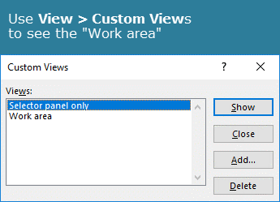
OFFSET function :: Height demonstrator

Date | Selector panel |  |  | Work area
1-Aug-18
2-Aug-18 |  | Analysis date | 30-Aug-18 | RevDate | Stats: RevDate
3-Aug-18 |  |  |  | 31-Aug-18 | Min | 1-Aug-18 | =MIN(RevDate)
6-Aug-18 |  | Window | 5 | 30-Aug-18 | Max | 31-Aug-18 | =MAX(RevDate)
7-Aug-18 |  |  |  | 29-Aug-18 | Count | 23 | =COUNT(RevDate)
8-Aug-18 |  |  |  | 28-Aug-18 | Rows | 23 | =ROWS(RevDate)
9-Aug-18 | 1. Selector testing :: negative height |  |  | 27-Aug-18
10-Aug-18 |  |  |  | 24-Aug-18
13-Aug-18 | Min | 24-Aug-18 | =MIN(OFFSET(INDEX(Date,1,1),Position-1,0,-Window)) | 23-Aug-18 | MATCH [Analysis date]
14-Aug-18 | Max | 30-Aug-18 | =MAX(OFFSET(INDEX(Date,1,1),Position-1,0,-Window)) | 22-Aug-18 | Position | 22 | =MATCH(Analysis_date,Date,0)
15-Aug-18 | Count | 5 | =COUNT(OFFSET(INDEX(Date,1,1),Position-1,0,-Window)) | 21-Aug-18
16-Aug-18 |  |  |  | 20-Aug-18
17-Aug-18 |  |  |  | 17-Aug-18 | List of defined names [F3 > Paste list]
20-Aug-18 |  |  |  | 16-Aug-18 | Analysis_date | =Sheet1!$F$7
21-Aug-18 | 2. Selector testing :: positive height |  |  | 15-Aug-18 | Date | =Sheet1!$B$6:$B$28
22-Aug-18 |  |  |  | 14-Aug-18 | Position | =Sheet1!$N$15
23-Aug-18 | Min | 24-Aug-18 | =MIN(OFFSET(INDEX(Date,1,1),Position-Window,0,Window)) | 13-Aug-18 | RevDate | =OFFSET(revDrefAnchor,0,0,COUNT(Sheet1!$J:$J))
24-Aug-18 | Max | 30-Aug-18 | =MAX(OFFSET(INDEX(Date,1,1),Position-Window,0,Window)) | 10-Aug-18 | revDrefAnchor | =Sheet1!$J$8
27-Aug-18 | Count | 5 | =COUNT(OFFSET(INDEX(Date,1,1),Position-Window,0,Window)) | 9-Aug-18 | Window | =Sheet1!$F$9
28-Aug-18 |  |  |  | 8-Aug-18
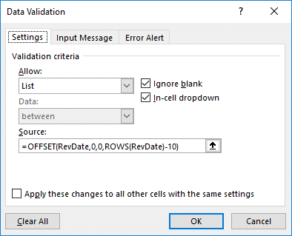
29-Aug-18 |  |  |  | 7-Aug-18
30-Aug-18 |  |  |  | 6-Aug-18
31-Aug-18 |  |  |  | 3-Aug-18
 |  |  |  | 2-Aug-18
 |  |  |  | 1-Aug-18

